instructions
Permanent link to the documentation on parameter editing dialogs is here: http://www.simplis.com/documentation/link/simplis/4321 | Migrating a version 2.0 spreadsheet to this version:

Instructions for this spreadsheet: | As there are many new formula and data validation in this version, you need to copy the data from your old spreadsheet.
General Rules: | When copying the data, make certain you paste "Values Only". If you use the regular cut/paste, this spreadsheet will stop working.
1) Do not add columns to this spreadsheet
2) Work from top to bottom and left to right in each step
3) The spreadsheet uses excel tables to organize the tabs, groups, and parameter editing controls.
4) You will insert and remove rows in these tables to add or remove tabs, groups, or parameter editing controls. The most reliable method for adding or removing rows is to use the context menu: Select any cell inside the table, right click to bring up the context menu to insert a row above or below the current row:

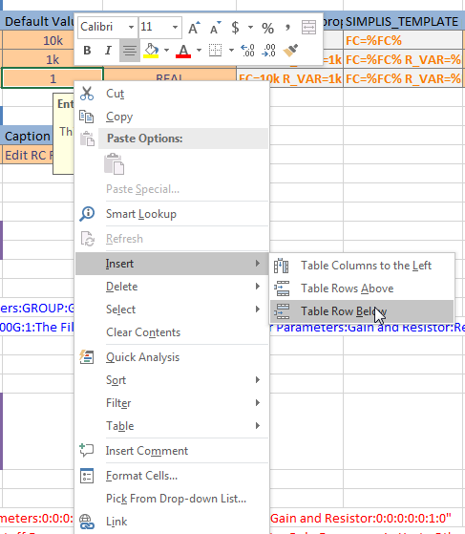

5) You can check your work using the Data > Data Validation > Circle Invalid Data menu.

